工作表1
1.先查看預計新增時間是否重疊

SELECT * FROM TBS_MAJ.FIX_EMP_EXTEND_WORK EW WHERE EW.EMP_NO = 'AB31' ORDER BY EW.APPLY_START_TIME DESC FOR UPDATE

2.班別

SELECT * FROM TBS_MAJ.ATT_SHIFT ASH WHERE ASH.EMP_NO = 'AB31' and ASH.SHIFT_DATE >= TO_DATE('230414','YYMMDD') AND ASH.SHIFT_DATE < TO_DATE('230414','YYMMDD') +5

3.找一張同班別的灌入UAT 修改資料

複製同班別的單，修改
SHIFT_START_TIME = 班別開始(假日為空)
SHIFT_END_TIME = 班別結束(假日為空)
START_TIME = 出勤開始
END_TIME = 出勤結束
APPLY_START_TIME = 申請開始(※每個人員申請時間不能重疊 )
APPLY_END_TIME = 申請結束(※每個人員申請時間不能重疊 )
APPLY_HOUR = APPLY_END_TIME - APPLAY_START_TIME (單位小時)
APPLY_REASON = 向USER要，或是寫MIS 新增，記錄用
SYSTEM_START_TIME = APPLY_START_TIME
SYSTEM_END_TIME = APPLY_END_TIME
SYSTEM_HOUR = SYSTEM_END_TIME - SYSTEM_START_TIME (單位小時)
MANAGER_APPROVED_STATUS = NULL
APPROVED_STATUS = O
APPROVED_TIME = NULL
BATCH_NO = PROD 跳號後寫入

4.匯出INSERT SQL

insert into TBS_MAJ.FIX_EMP_EXTEND_WORK (BU_CODE, EMP_DEPT, EMP_NO, MT_COMPANY_CODE, MT_SLIP_NO, WORK_START_TIME, WORK_LINE_NO, SHIFT_ID, SHIFT_START_TIME, SHIFT_END_TIME, START_TIME, END_TIME, APPLY_START_TIME, APPLY_END_TIME, APPLY_HOURS, APPLY_REASON, SYSTEM_START_TIME, SYSTEM_END_TIME, SYSTEM_HOURS, MANAGER_APPROVED_HOURS, APPROVED_STATUS, APPROVED_TIME, APPROVED_EMP_NO, REJECT_REASON, APP_WORK_TYPE, CREATE_COMPANY_CODE, CREATE_DATE, CREATE_EMP_NO, UPDATE_COMPANY_CODE, UPDATE_DATE, UPDATE_EMP_NO, PRE_APPLY_NO, END_SHIFT_ID, APPLY_TYPE, BATCH_NO, SEQ)
values ('TW', 'S3', 'AB31', null, null, null, null, 'D', to_date('14-04-2023 09:00:00', 'dd-mm-yyyy hh24:mi:ss'), to_date('14-04-2023 18:00:00', 'dd-mm-yyyy hh24:mi:ss'), to_date('14-04-2023 18:00:00', 'dd-mm-yyyy hh24:mi:ss'), to_date('15-04-2023 21:11:00', 'dd-mm-yyyy hh24:mi:ss'), to_date('14-04-2023 18:00:00', 'dd-mm-yyyy hh24:mi:ss'), to_date('15-04-2023 18:00:00', 'dd-mm-yyyy hh24:mi:ss'), 24.0, 'MIS 新增', to_date('14-04-2023 18:00:00', 'dd-mm-yyyy hh24:mi:ss'), to_date('15-04-2023 18:00:00', 'dd-mm-yyyy hh24:mi:ss'), 24.0, null, 'O', null, null, null, 'in', 'B0', to_date('11-04-2023 09:21:47', 'dd-mm-yyyy hh24:mi:ss'), 'AB31', 'B0', to_date('14-04-2023', 'dd-mm-yyyy'), 'B401', null, 'D', 'PAY', 'E230460067', null);

insert into TBS_MAJ.FIX_EMP_EXTEND_WORK (BU_CODE, EMP_DEPT, EMP_NO, MT_COMPANY_CODE, MT_SLIP_NO, WORK_START_TIME, WORK_LINE_NO, SHIFT_ID, SHIFT_START_TIME, SHIFT_END_TIME, START_TIME, END_TIME, APPLY_START_TIME, APPLY_END_TIME, APPLY_HOURS, APPLY_REASON, SYSTEM_START_TIME, SYSTEM_END_TIME, SYSTEM_HOURS, MANAGER_APPROVED_HOURS, APPROVED_STATUS, APPROVED_TIME, APPROVED_EMP_NO, REJECT_REASON, APP_WORK_TYPE, CREATE_COMPANY_CODE, CREATE_DATE, CREATE_EMP_NO, UPDATE_COMPANY_CODE, UPDATE_DATE, UPDATE_EMP_NO, PRE_APPLY_NO, END_SHIFT_ID, APPLY_TYPE, BATCH_NO, SEQ)
values ('TW', 'S3', 'AB31', null, null, null, null, 'O', null, null, to_date('15-04-2023 18:00:00', 'dd-mm-yyyy hh24:mi:ss'), to_date('15-04-2023 21:11:00', 'dd-mm-yyyy hh24:mi:ss'), to_date('15-04-2023 18:00:00', 'dd-mm-yyyy hh24:mi:ss'), to_date('15-04-2023 19:00:00', 'dd-mm-yyyy hh24:mi:ss'), 1.0, 'MIS 新增', to_date('15-04-2023 18:00:00', 'dd-mm-yyyy hh24:mi:ss'), to_date('15-04-2023 19:00:00', 'dd-mm-yyyy hh24:mi:ss'), 1.0, null, 'O', null, null, null, 'in', 'B0', to_date('11-04-2023 09:21:47', 'dd-mm-yyyy hh24:mi:ss'), 'AB31', 'B0', to_date('14-04-2023', 'dd-mm-yyyy'), 'B401', null, 'D', 'PAY', 'E230460068', null);

5.模擬申請人做UAT審核

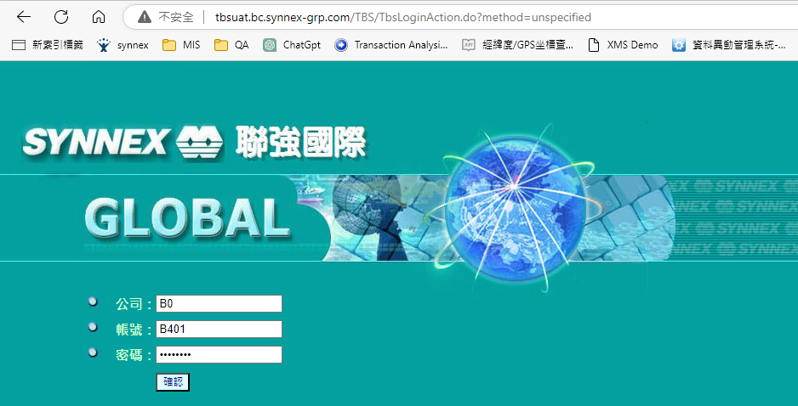

※查無資料請補員工資料

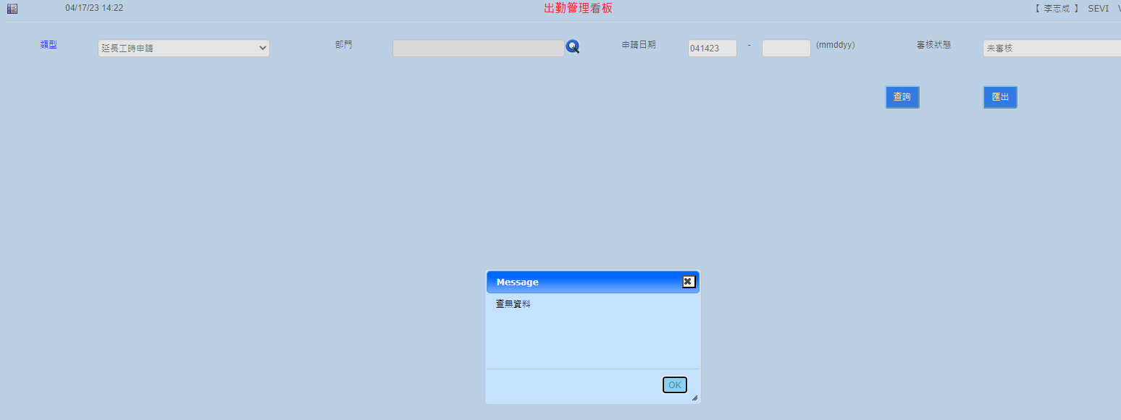

※補資料

SELECT * FROM TBS_MAJ.HRM_AMS_PRESENCE AP WHERE AP.EMP_NO = 'AB31' AND AP.PRESENCE_DATE >= '20230410'

審核

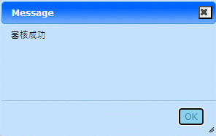

6.DCM PROD 跳號

UPDATE TBS_MAJ.SYS_SLIP_SEQ_NO S SET S.VOUCHER_NO = LPAD(S.VOUCHER_NO + 2 , 5 , '0') WHERE S.COMPANY_CODE='00' AND S.VOUCHER_ID='E' AND S.MM='11'

7.更改 INSERT SQL BATCH_NO 欄位，並申請DCM

